Scope
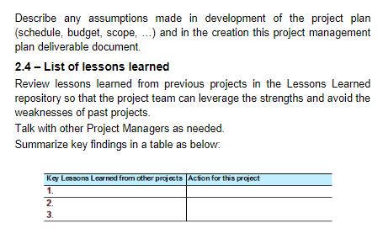
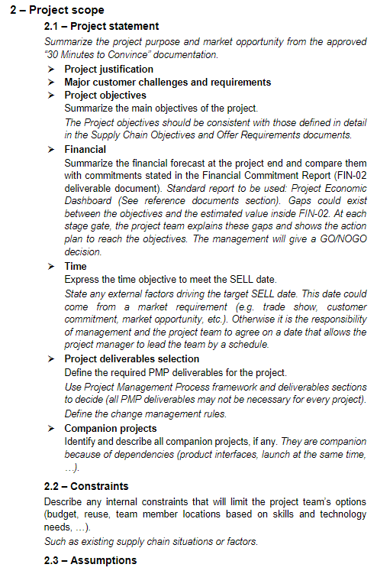
MGT-02 Project Management Plan
https://schneider-electric.app.box.com/s/kt7rqwfqfqnovyh7hjjkxh8i7as58d6f

Guide forProject Cost Estimates
Summary |  |  |  |  |  |  |  | Comments:
 |  | No. Parts | Tools to Move |  | Tooling Move Expenses | 18,150
 |  | 250 | 6 |  | New Tooling (Capital) | 41,100
 |  |  |  |  | Labor | 2,337,069
 |  |  | New Tools |  | Samples | 771 |  | Expense/part |  | NPV (000s) | (2,397)
 |  |  | 0 |  | Total | 2,397,090 |  | 3,325 |  | Payback (yr) | + 6 years

Inputs required |  |  |  |  |  |  |  |  |  | Cell color code
 |  | Alex Cepeda |  | Tool expenses estimation (if tools are moved) |  |  |  |  |  | Input-Cost Est
 | Number of tools | 6 |  | Technology | Stampings | Plastics | Die Casting |  |  | Input-NPV Est
 | Long distance? (Y/N) | N |  | Expense | 11,100 | 17,250 | 18,150 |  |  | Reference
 |  | Y |  |  |  |  |  |  |  | Standard
 | Tool Expenses | 18,150 |  |  |  |  |  |  |  | Comments
 | New Tooling | 41,100 | 5% |  | 137,000 | Cost of New Tool |  | 36,696.43
 |  |  | % tools being replaced (0% for COS)
 | Mature year once project is completed | Year 0 | Year 1 | Year 2 | Year 3 | Year 4 | Year 5
 | Yearly Savings (TCO)*
 |  | * Update for Project Prioritization with at least 80% of volume quoted |  |  |  |  |  |  |  |  |  |  | Hours allocated to the project
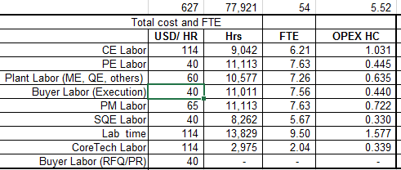
 |  |  |  |  |  |  |  | Need to define the % of low, mid, high complexity |  |  |  | USD | Hrs | FTE | PR Cost Estimates Area
 | Savings / part (Mature Year) | - |  | Resource expenses estimation |  |  |  |  |  |  | CE Labor | 353,434 | 3,100 | 2.13 | Design Engineering (US/MX)
 | No. Parts | 721 |  | Complexity | Low | Medium | Med-High | Complex |  |  | PE Labor | 152,852 | 3,821 | 2.62 | Design Engineering (MX)
 |  | 2,086,668.44 |  | Expense | 1,331,539 | 2,200,270 | 3,112,261 | 4,860,427 |  |  | Plant Labor (ME, QE, others) | 142,758 | 2,379 | 1.63 | Mfg. / Indus. / CT (US/MX)
 |  |  |  | 100% | 0% | 85% | 15% | 0% |  |  | Buyer Labor (Execution) | 239,372 | 5,984 | 4.11 | Purchasing (US/MX)
 | Labor Expenses (includes Lab) | 2,337,069 |  |  | Labor cost/time is weighted averaged based on these percentages |  |  |  |  |  | PM Labor | 288,220 | 4,434 | 3.05 | Other (if Required)
 | Labor $ / part | 3,241 |  |  |  |  |  |  |  |  | SQE Labor | 181,692 | 4,542 | 3.12 | Quality Assurance
 | Savings % | 0% |  | Sample expenses estimation |  |  |  |  |  |  | Lab time | 883,586 | 7,751 | 5.32 | Other (specify)
 | Spend / part | 46 |  | 1.5% | 2.0% | 2.3% |  |  |  |  | CoreTech Labor | 4,309 | 38 | 0.03 | Mfg. / Indus. / CT (US/MX)
 | Annual Spend | 33,521 |  | 503 | 670 | 771 |  |  |  |  | Buyer Labor (RFQ/PR) | 90,846 | 2,271 | 1.56
 |  |  |  |  |  |  |  |  |  | Total hrs |  | 2,337,069 | 34,321 | 23.57
 | Samples | 771 |  | ~1.5-2.3 % of Annual volume (Spend of parts included)
 |  |  |  | If ETO or big Circuit Breakers samples/assemblies are required go to higher limit
 |  | 18,921
Outputs |  | 16,894 |  | Comments:

 | Project Evaluation Metrics
 | NPV (000's) | (2,397)
 | Payback (years) | + 6 years

Detailed Calculation & Reference Tables
Tool Expenses

 |  |  | Stampings |  | Plastics |  | Die Casting
 | Number of tools | 6
 | Long distance? (Y/N) | N | USD / tool |  | USD / tool |  | USD / tool
 | Collect info & mark |  | 250 | 1500 | 350 | 2100 | 350 | 2100
 | Other tools & gages |  | 50 | 300 | 75 | 450 | 75 | 450
 | Packaging (skid)* |  | 350 | 2100 | 450 | 2700 | 450 | 2700
 | Transport & customs** |  | 350 | 2100 | 500 | 3000 | 400 | 2400
 | Left-over material |  | 350 | 2100 | 500 | 3000 | 750 | 4500
 | Adaptation / modifications |  | 500 | 3000 | 1000 | 6000 | 1000 | 6000
 |  | Tooling Expenses Estimation |  | $11,100 |  | $17,250 |  | $18,150

 | * Packaging 20% more expensive if long distance
 | ** Transport & customs 50% more expensive if long distance

Labor Estimation
 | Parts | 721

 | Time (estimates/part)
 |  | Low | Medium | Med-High | Complex |  | Rate USD/hr |  | Low | Medium | Med-High | Complex
 | CE Labor | 2 | 4 | 6 | 8 | hr/piece | 114 |  | 4 | 9 | 16 | 25
 | PE Labor | 4 | 5 | 7 | 15 | hr/piece | 40 |  | 6 | 10 | 15 | 40
 | Plant Labor (ME, QE, others) | 2 | 3 | 5 | 10 | hr/piece | 60 |  | 6 | 9 | 15 | 45
 | Buyer Labor (Execution) | 6 | 8 | 10 | 17 | hr/piece | 40 |  | 6 | 10 | 15 | 25
 | PM Labor | 5 | 6 | 7 | 15 | hr/piece | 65 |  | 6 | 10 | 15 | 40
 | SQE Labor | 3 | 6 | 8 | 10 | hr/piece | 40 |  | 4 | 8 | 12 | 25
 | Lab time | 5 | 10 | 15 | 20 | hr/piece | 114 |  | 5 | 15 | 25 | 50
 | Core Tech Labor | 4 | 6 | 8 | 15 | hr/piece | 114 |  | 4 | 8 | 12 | 25
 | Buyer (RFQ/PR) Labor | 2 | 3 | 4 | 7 | hr/piece | 40 |  | 2 | 4 | 6 | 8

 | Part Complexity (% of parts) | Low | Medium | Med-High | Complex
 |  | 0% | 85% | 15% | 0%

 | Labor Cost estimates | Weighted Average |  |  |  | Low |  |  | Medium |  |  |  | Med-High |  |  |  | Complex
 |  | Source | USD | hr | FTE | USD | hr | FTE | USD | hr | FTE |  | USD |  | hr | FTE | USD | hr | FTE
 | CE Labor | LoB | 353,434 | 3,100.3 | 2.13 | 164,388 | 1442 | 0.99 | 328,776 | 2884 | 1.98 |  | 493,164 |  | 4326 | 2.97 | 657,552 | 5768 | 3.96
1 | PE Labor | Purchasing | 152,852 | 3,821.3 | 2.62 | 115,360 | 2884 | 1.98 | 144,200 | 3605 | 2.48 |  | 201,880 |  | 5047 | 3.47 | 432,600 | 10815 | 7.43
 | Plant Labor (ME, QE, others) | GSC | 142,758 | 2,379.3 | 1.63 | 86,520 | 1442 | 0.99 | 129,780 | 2163 | 1.49 |  | 216,300 |  | 3605 | 2.48 | 432,600 | 7210 | 4.95
4 | Buyer Labor (Execution) | Purchasing | 239,372 | 5,984.3 | 4.11 | 173,040 | 4326 | 2.97 | 230,720 | 5768 | 3.96 |  | 288,400 |  | 7210 | 4.95 | 490,280 | 12257 | 8.42
2 | PM Labor | Purchasing | 288,220 | 4,434.2 | 3.05 | 234,325 | 3605 | 2.48 | 281,190 | 4326 | 2.97 |  | 328,055 |  | 5047 | 3.47 | 702,975 | 10815 | 7.43
1 | SQE Labor | Purchasing | 181,692 | 4,542.3 | 3.12 | 86,520 | 2163 | 1.49 | 173,040 | 4326 | 2.97 |  | 230,720 |  | 5768 | 3.96 | 288,400 | 7210 | 4.95
 | Lab time | LoB | 883,586 | 7,750.8 | 5.32 | 410,970 | 3605 | 2.48 | 821,940 | 7210 | 4.95 |  | 1,232,910 |  | 10815 | 7.43 | 1,643,880 | 14420 | 9.90
1 | CoreTech Labor | GSC | 4,309 | 37.8 | 0.03 | 2,736 | 24 | 0.02 | 4,104 | 36 | 0.02 |  | 5,472 |  | 48 | 0.03 | 10,260 | 90 | 0.06
0 | Buyer Labor (RFQ/PR) | Purchasing | 90,846 | 2,271.2 | 1.56 | 57,680 | 1442 | 0.99 | 86,520 | 2163 | 1.49 |  | 115,360 |  | 2884 | 1.98 | 201,880 | 5047 | 3.47
9 | Total Labor |  | 2,337,069 | 34,321 | 23.57 | 1,331,539 |  | 14.38 | 2,200,270 |  | 22.31 |  | 3,112,261 |  |  | 30.73 | 4,860,427 |  | 50.57

 | Labor Cost Estimates by Source | Comments: |  |  |  |  | Comments:
 |  | Source | USD | hr | FTE
 |  | LoB | 1,237,020 | 10,851 | 7.45 | 148.20
 |  | GSC | 147,067 | 2,417 | 1.66 | 79.10
 |  | Purchasing | 952,982 | 21,053 | 14.46 | 58.85
 |  | Total | 2,337,069 | 34,321 | 23.57
 |  |  | 2,086,668.44
NPV & Payback
 |  | Year 0 | Year 1 | Year 2 | Year 3 | Year 4 | Year 5 |  | Discount Rate
 | Project Savings / Benefits |  |  |  |  |  |  |  | 0.088
 | Yearly Savings (TCO) | - | - | - | - | - | -
 |  |  |  |  |  |  |  |  | NPV ($000)
 | Project Expenditures |  |  |  |  |  |  |  | (2,397)
 | Labor | 2,337,069
 | Samples / Tooling | 60,021 |  |  |  |  |  |  | Payback Ratio
 | Total Expendatures | 2,397,090 | - | - | - | - | - |  | + 6 years

 | Year | 0 | 1 | 2 | 3 | 4 | 5 | Comments:
 | Net Cash Flow | (2,397,090) | 0 | 0 | 0 | 0 | 0
 | Cummulative Cash Flow | (2,397,090) | (2,397,090) | (2,397,090) | (2,397,090) | (2,397,090) | (2,397,090)
 | Payback calculation |  | n/m | n/m | n/m | n/m | n/m

 |  | 53,590.16 €

 |  | 1875

Commercial References
Individual Search | Multiple Search

1. In Symphony, select “Search” … to find commercial reference for single part number
1. In Symphony, select “Multiple Search” … to find the commercial references for a group of parts

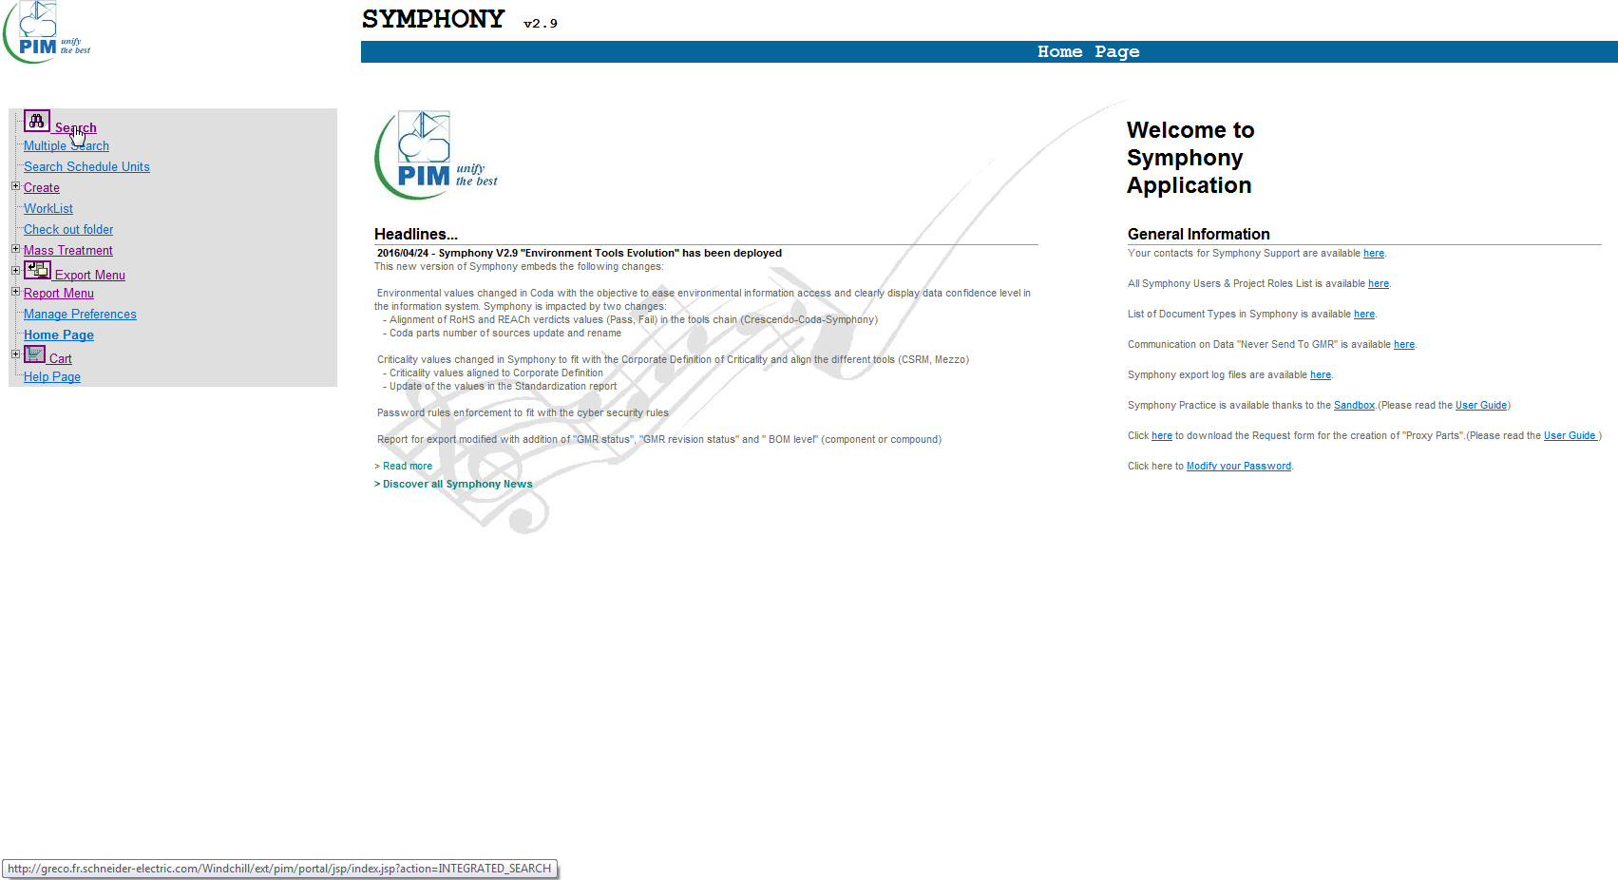
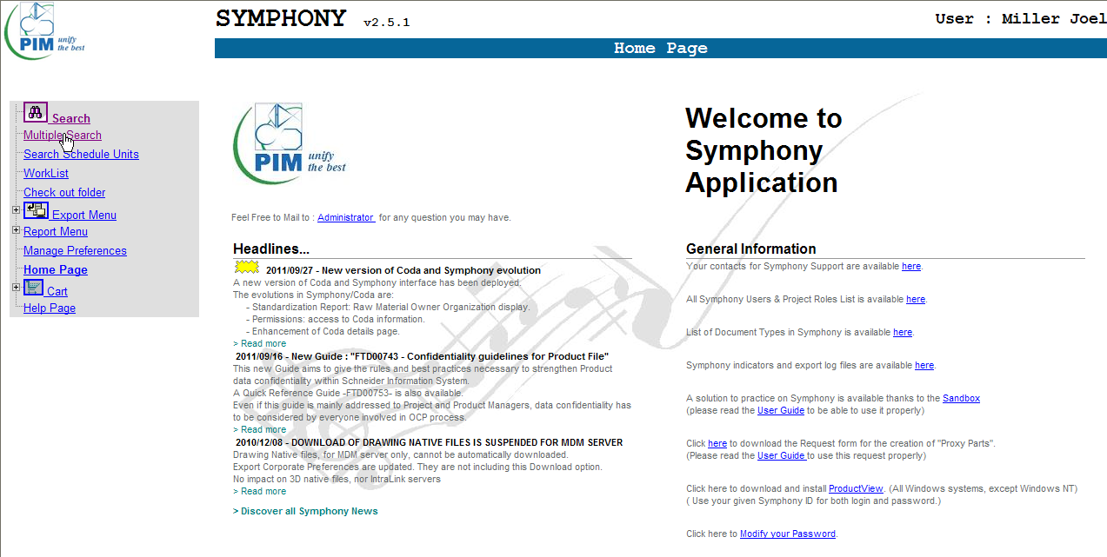

2. Input your component part number and select “Search” button
2. Copy and paste your complete list of parts in the box labeled “Numbers” and select “Search” button.

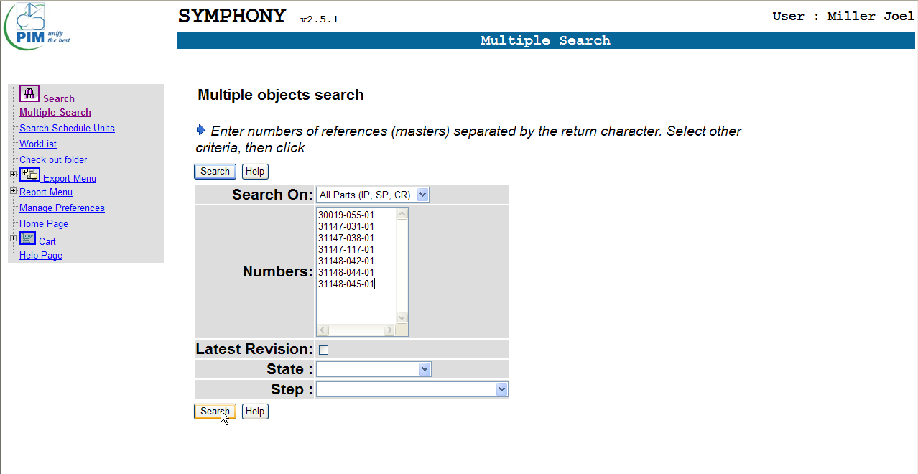
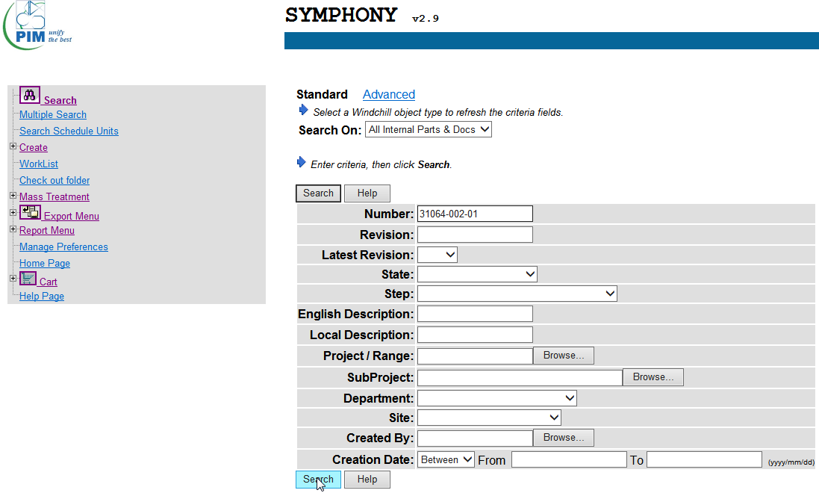

3. Make sure all boxes are checked and select the “Add to Cart” button

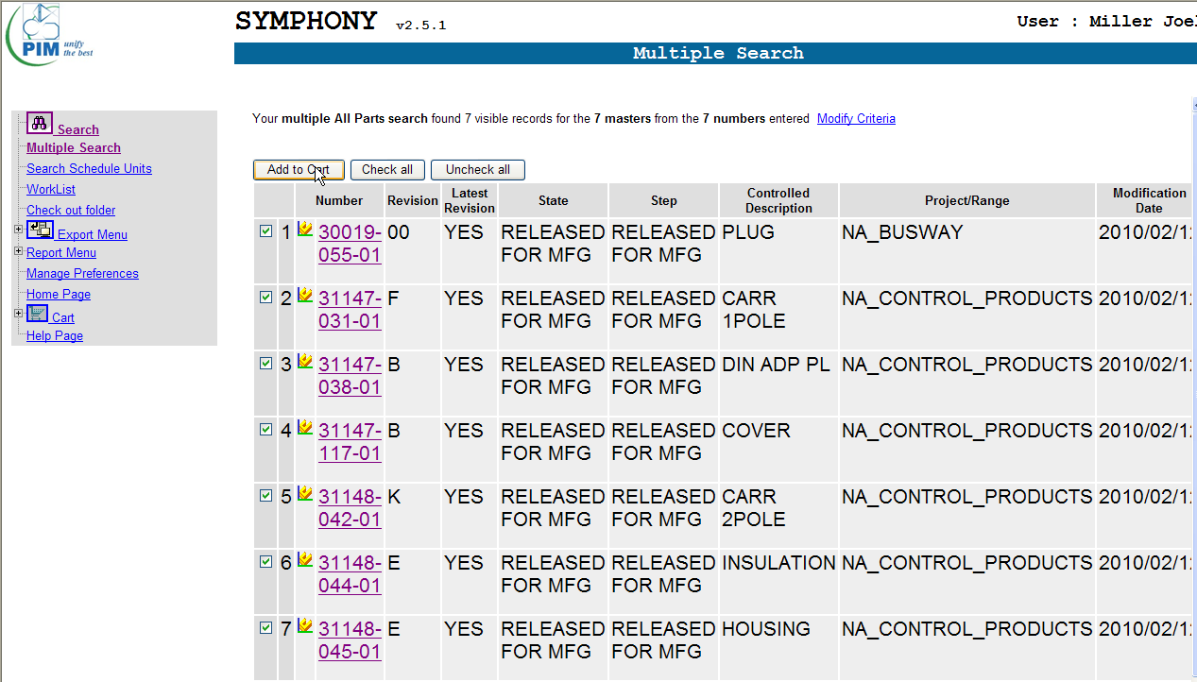
3. Select component from list. Typically you will be looking for the latest “Released For MFG” item as shown below.

4. Select “Part Used By” and then “Multi-Level”

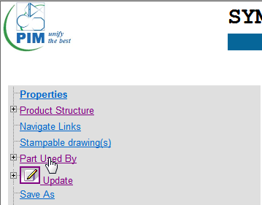

4. Select either copy in Existing Cart or New Cart and select OK button

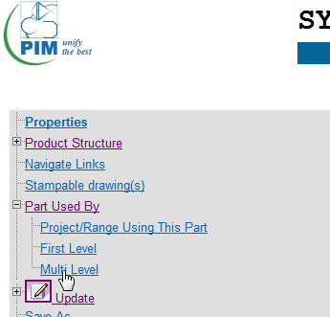

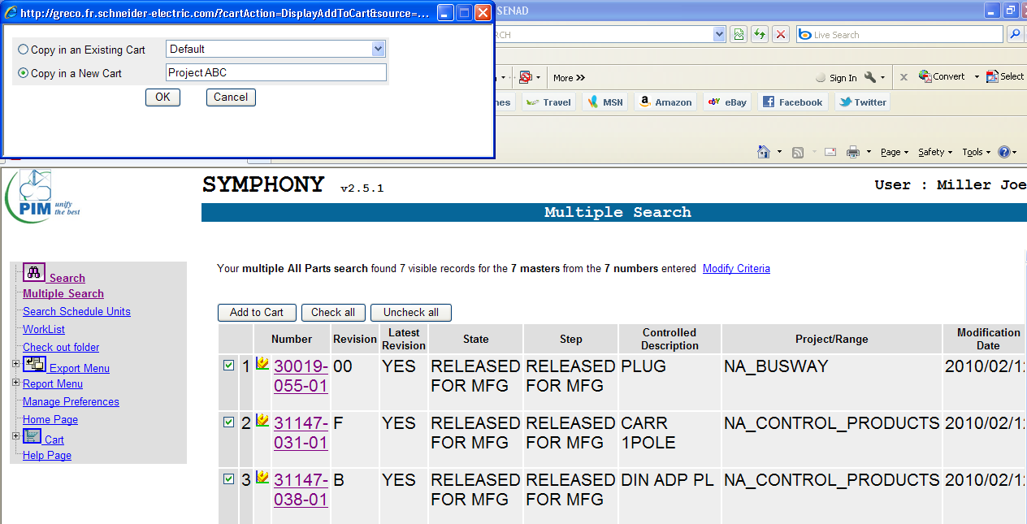

5. You can select to generate a report that simply displays the results or you can choose to display a report in the form of an EXCEL file. I prefer this because it allows me to sort easily. The report generation may take a few minutes depending upon the usage of the component but when it has been generated you will be prompted to OPEN or SAVE. Select OPEN and the YES to the next prompt. Once your EXCEL file is opened, go to slide 16 of this presentation for tips on how to sort for the commercial reference listing.

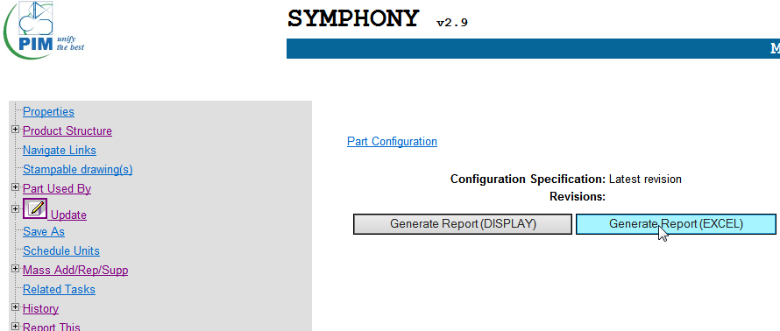

5. Select “View / Update Carts”

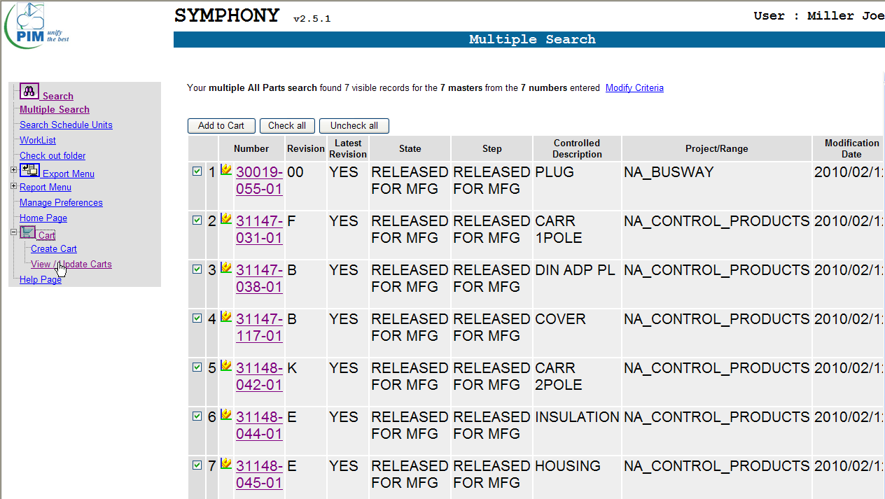

6. Select the column label row (row 3) and apply “Data => AutoFilter”. Then select column labeled “Part Type” and sort by “COMMERCIAL REFERENCE”.

6. Select “Expand” to see contents of cart

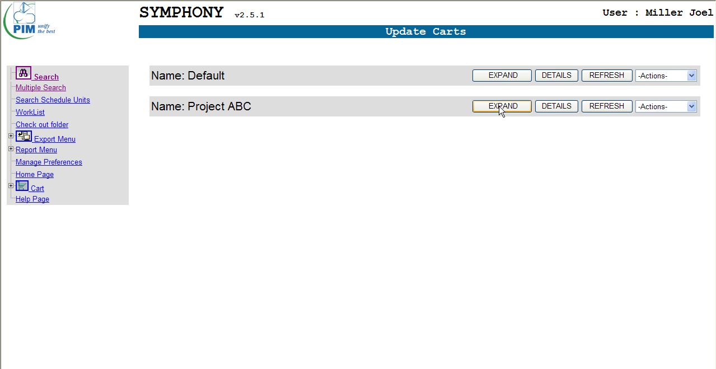

7. The “Commercial References” will be located in the column labeled “Where Used” as shown below

7. Select part from list for your search

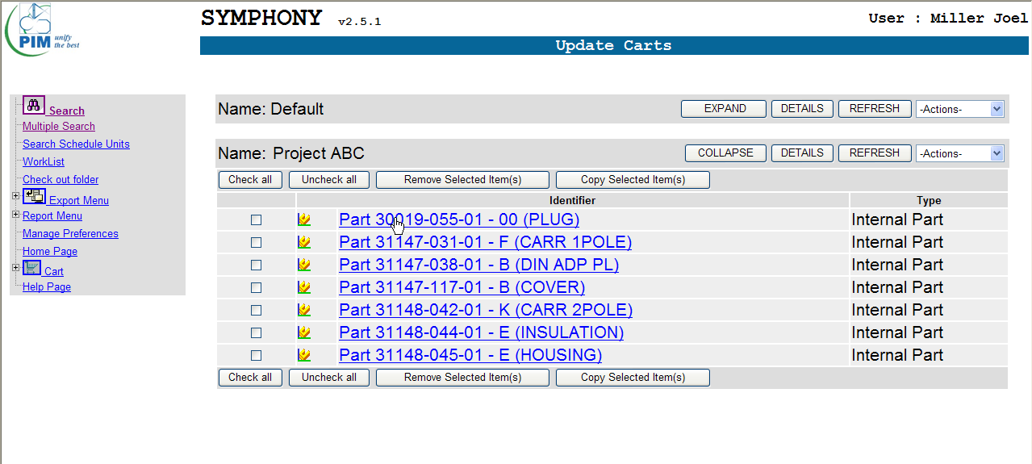

CONSIDERATIONS:
Not all parts will be found within Symphony
These parts will not be included in the list derived from your “Multiple Search” step in the process and thus will not be included in your cart. There is no warning to that effect so make sure you match the commercial references to the correct part if transferring information from the spreadsheet generated by Symphony to another spreadsheet.
Not all parts have a commercial reference
The process for these parts will follow the same path until you go to sort by “COMMERCIAL REFERENCE” for which there will be none. For these parts, I will typically make note of the information within the column labeled “English Description” and “Project” as shown below. This will help to identify the BOC and Product Group to which the part belongs.
Process can be time consuming
Once proficient, you can expect to take ~3 minutes on average for each part in your list. A large “where used” list will impact the time required.

8. Select “Part Used By => Multi Level to generate a list of the where used for the part

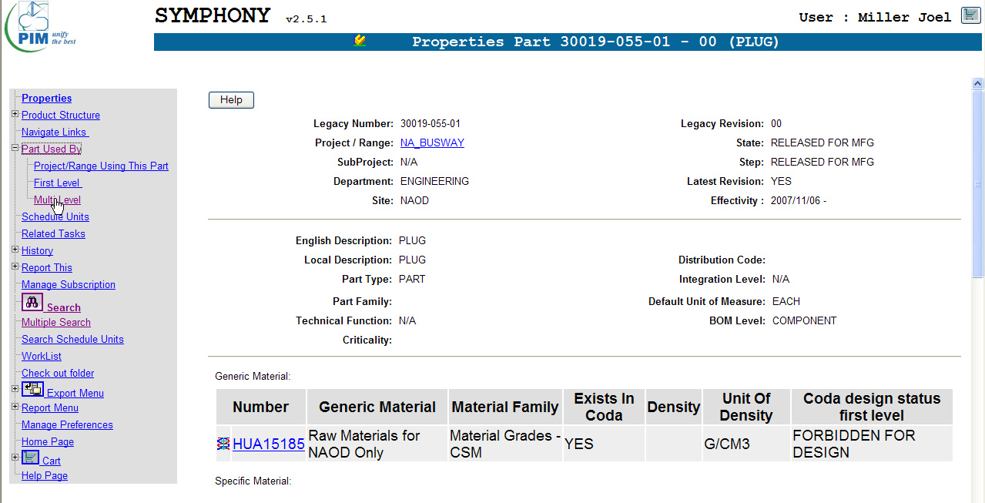

9. Select “Generate Report” and then “Open” to load where used into an EXCEL spreadsheet to be sorted

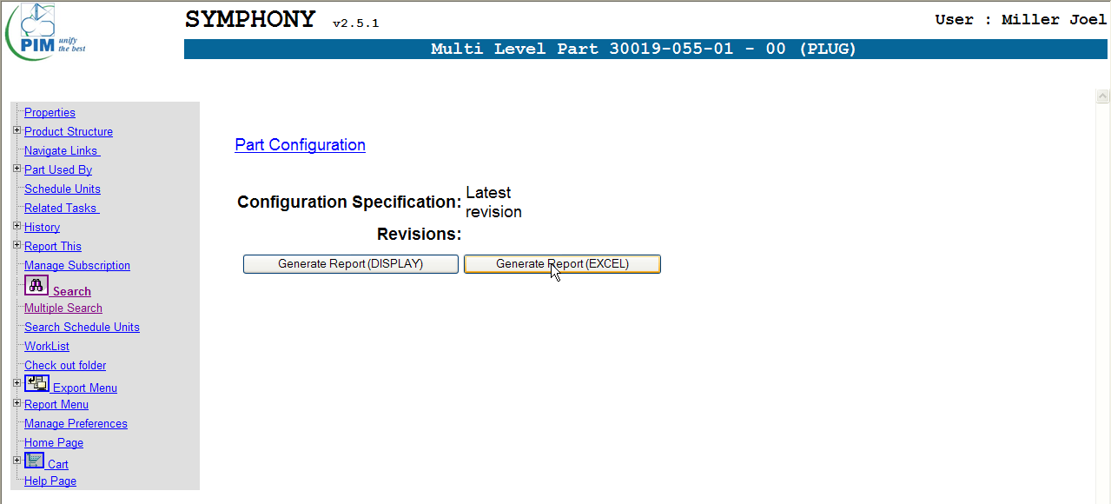

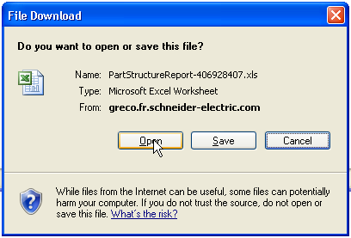

10. Select the column label row (row 3) and apply “Data => AutoFilter”. Then select column labeled “Part Type” and sort by “COMMERCIAL REFERENCE”.

11. The “Commercial References” will be located in the column labeled “Where Used” as shown below

CONSIDERATIONS:
Not all parts will be found within Symphony
These parts will not be included in the list derived from your “Multiple Search” step in the process and thus will not be included in your cart. There is no warning to that effect so make sure you match the commercial references to the correct part if transferring information from the spreadsheet generated by Symphony to another spreadsheet.
Not all parts have a commercial reference
The process for these parts will follow the same path until you go to sort by “COMMERCIAL REFERENCE” for which there will be none. For these parts, I will typically make note of the information within the column labeled “English Description” and “Project” as shown below. This will help to identify the BOC and Product Group to which the part belongs.
Process can be time consuming
Once proficient, you can expect to take ~3 minutes on average for each part in your list. A large “where used” list will impact the time required. I have asked the Symphony experts to develop an “Extra Service” process for obtaining this information using their resources but nothing is available at this time.

